Module 4
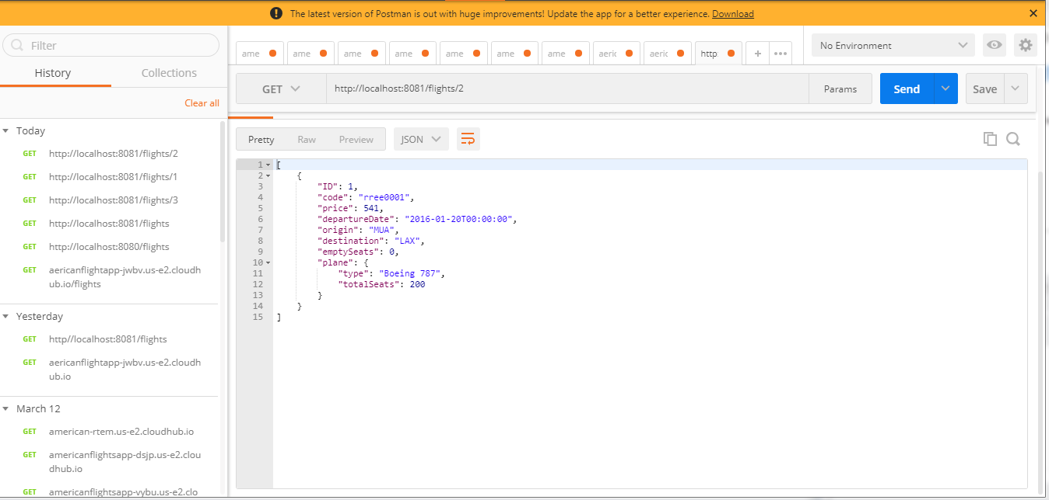
Connecting Mule Application with MySQL Database

> Retrieving data from table that contains flight information

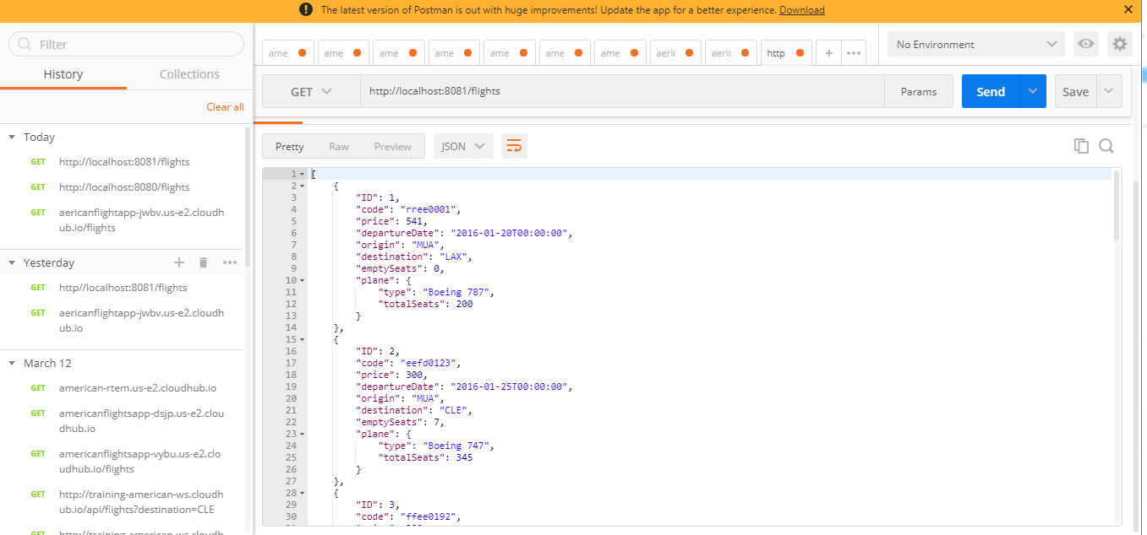

Retrieving particular information from table

> Before Execution

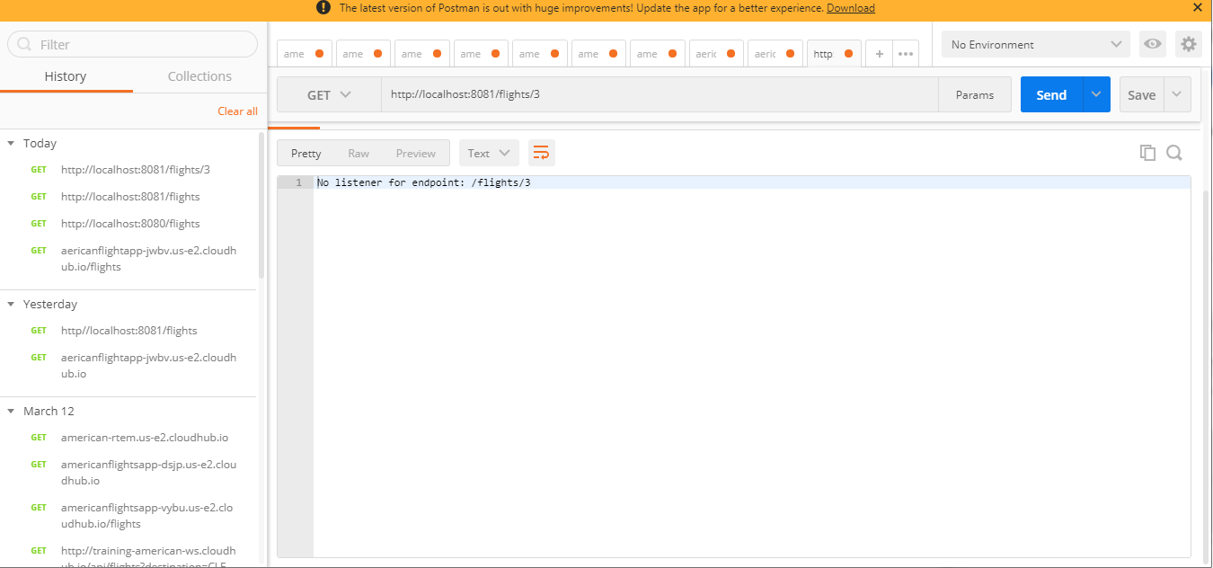

> After Execution

